Sheet1
Large Ashiko: 580 Piece Pattern 6 |  |  |  | Segments per Ring: 20 |  |  | Thickness: 0.875 |  | Angle: 9.00
 | Board |  | Segment | Diameter |  | Species
Row | Width | Length | S.E.L. | Outer | Inner | Maple | Lgth | Wenge | Lgth | Purpl | Lgth | Yello | Lgth
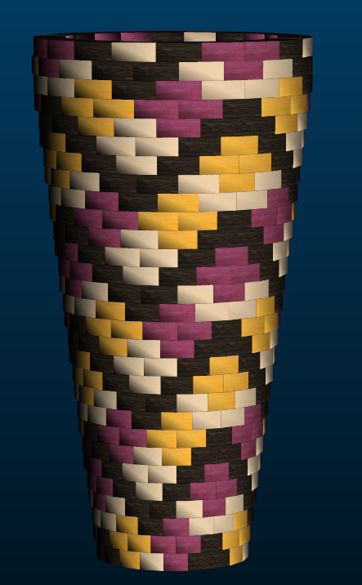
1 | .00 | .0 | .000 | 7.1"
2 | 3.21 | 15.5 | 1.163 | 7.3" | 0.9" | 4 | 3 | 8 | 6.1 | 4 | 3 | 4 | 3
3 | 3.14 | 16.5 | 1.201 | 7.6" | 1.3" |  |  | 4 | 3.2 | 8 | 6.5 | 8 | 6.5
4 | 3.06 | 17.4 | 1.235 | 7.8" | 1.7" | 8 | 6.9 | 4 | 3.4 | 4 | 3.4 | 4 | 3.4
5 | 2.98 | 18.4 | 1.270 | 8" | 2.1" | 8 | 7.3 | 8 | 7.3 | 4 | 3.6
6 | 2.92 | 19.3 | 1.305 | 8.2" | 2.4" | 4 | 3.8 | 8 | 7.6 | 8 | 7.6
7 | 2.85 | 20.2 | 1.343 | 8.5" | 2.8" | 8 | 8 | 8 | 8 | 4 | 3.9
8 | 2.78 | 21.2 | 1.378 | 8.7" | 3.2" | 4 | 4.1 | 8 | 8.4 | 4 | 4.1 | 4 | 4.1
9 | 2.70 | 22.1 | 1.413 | 8.9" | 3.6" |  |  | 4 | 4.3 | 8 | 8.8 | 8 | 8.8
10 | 2.62 | 23.0 | 1.448 | 9.1" | 3.9" | 8 | 9.1 | 4 | 4.5 | 4 | 4.5 | 4 | 4.5
11 | 2.56 | 24.0 | 1.486 | 9.4" | 4.3" | 8 | 9.5 | 8 | 9.5 |  |  | 4 | 4.7
12 | 2.49 | 24.9 | 1.520 | 9.6" | 4.7" | 4 | 4.9 | 8 | 9.9 |  |  | 8 | 9.9
13 | 2.41 | 25.9 | 1.555 | 9.8" | 5.1" | 8 | 10.3 | 8 | 10.3 |  |  | 4 | 5.1
14 | 2.33 | 26.8 | 1.590 | 10" | 5.4" | 4 | 5.3 | 8 | 10.7 | 4 | 5.3 | 4 | 5.3
15 | 2.27 | 27.7 | 1.625 | 10.3" | 5.8" |  |  | 4 | 5.4 | 8 | 11 | 8 | 11
16 | 2.20 | 28.7 | 1.663 | 10.5" | 6.2" | 8 | 11.4 | 4 | 5.6 | 4 | 5.6 | 4 | 5.6
17 | 2.12 | 29.6 | 1.698 | 10.7" | 6.6" | 8 | 11.8 | 8 | 11.8 | 4 | 5.8
18 | 2.04 | 30.6 | 1.733 | 10.9" | 6.9" | 4 | 6 | 8 | 12.2 | 8 | 12.2
19 | 1.97 | 31.5 | 1.768 | 11.2" | 7.3" | 8 | 12.5 | 8 | 12.5 | 4 | 6.2
20 | 1.91 | 32.5 | 1.806 | 11.4" | 7.7" | 4 | 6.4 | 8 | 12.9 | 4 | 6.4 | 4 | 6.4
21 | 1.83 | 33.4 | 1.840 | 11.6" | 8.1" |  |  | 4 | 6.6 | 8 | 13.3 | 8 | 13.3
22 | 1.76 | 34.3 | 1.875 | 11.8" | 8.4" | 8 | 13.7 | 4 | 6.8 | 4 | 6.8 | 4 | 6.8
23 | 1.68 | 35.3 | 1.910 | 12.1" | 8.8" | 8 | 14 | 8 | 14 |  |  | 4 | 7
24 | 1.62 | 36.2 | 1.948 | 12.3" | 9.2" | 4 | 7.1 | 8 | 14.4 |  |  | 8 | 14.4
25 | 1.54 | 37.2 | 1.983 | 12.5" | 9.6" | 8 | 14.8 | 8 | 14.8 |  |  | 4 | 7.3
26 | 1.47 | 38.1 | 2.018 | 12.7" | 9.9" | 4 | 7.5 | 8 | 15.2 | 4 | 7.5 | 4 | 7.5
27 | 1.40 | 39.1 | 2.056 | 13" | 10.3" |  |  | 4 | 7.7 | 8 | 15.6 | 8 | 15.6
28 | 1.33 | 40.0 | 2.091 | 13.2" | 10.7" | 8 | 15.9 | 4 | 7.9 | 4 | 7.9 | 4 | 7.9
29 | 1.35 | 40.0 | 2.091 | 13.2" | 10.6" | 8 | 15.9 | 8 | 15.9 | 4 | 7.9
30 | 1.54 | 39.3 | 2.091 | 13.2" | 10.2" | 4 | 7.8 | 8 | 15.7 | 8 | 15.7
30 |  |  |  |  |  | 152 | 217 | 192 | 272.6 | 124 | 172.6 | 112 | 158.1

